Screen Details
Detailed Screen-by-Screen WCAG Audit
# | Screen Label | Annotated Screenshot | Activity | PASS | FAIL | Cannot Verify | Pass Rate | Status
1 | Screen-01 (iLearn App) | 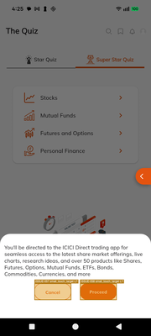 state_2026-03-11_162508_annotated.png | .InternalGoogleAppActivityEntrypoint | 76 | 47 | 0 | 61.8% | PASS
2 | Screen-02 (iLearn App) | 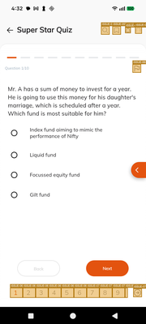 state_2026-03-11_163246_annotated.png | .InternalGoogleAppActivityEntrypoint | 135 | 252 | 0 | 34.9% | FAIL
3 | Screen-03 (iLearn App) |  state_2026-03-11_163254_annotated.png | .InternalGoogleAppActivityEntrypoint | 102 | 174 | 0 | 37.0% | FAIL
4 | Screen-04 (iLearn App) | 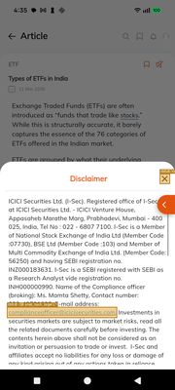 state_2026-03-11_163520_annotated.png | .InternalGoogleAppActivityEntrypoint | 14 | 21 | 0 | 40.0% | FAIL
5 | Screen-05 (YouTube Video Player) | 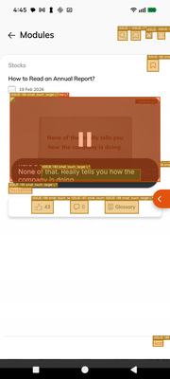 state_2026-03-11_164543_annotated.png | .InternalGoogleAppActivityEntrypoint | 92 | 328 | 0 | 21.9% | FAIL
6 | Screen-06 (iLearn App) | 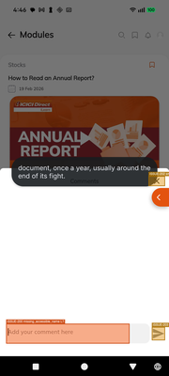 state_2026-03-11_164612_annotated.png | .InternalGoogleAppActivityEntrypoint | 2 | 12 | 0 | 14.3% | FAIL
7 | Screen-07 (YouTube Video Player) | 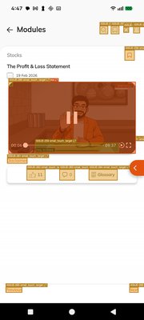 state_2026-03-11_164725_annotated.png | .InternalGoogleAppActivityEntrypoint | 10 | 34 | 0 | 22.7% | FAIL
8 | Screen-08 (YouTube Video Player) | 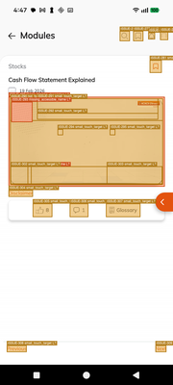 state_2026-03-11_164753_annotated.png | .InternalGoogleAppActivityEntrypoint | 15 | 43 | 0 | 25.9% | FAIL
9 | Screen-09 (YouTube Video Player) | 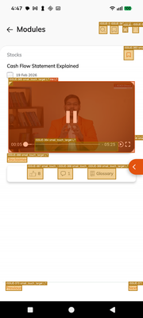 state_2026-03-11_164757_annotated.png | .InternalGoogleAppActivityEntrypoint | 61 | 207 | 0 | 22.8% | FAIL
10 | Screen-10 (iLearn App) | 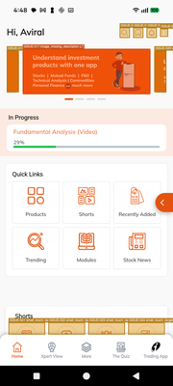 state_2026-03-11_164845_annotated.png | .InternalGoogleAppActivityEntrypoint | 608 | 885 | 0 | 40.7% | FAIL
11 | Screen-11 (iLearn App) | 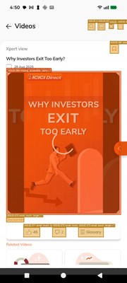 state_2026-03-11_165033_annotated.png | .InternalGoogleAppActivityEntrypoint | 23 | 63 | 0 | 26.7% | FAIL
12 | Screen-12 (YouTube Video Player) | 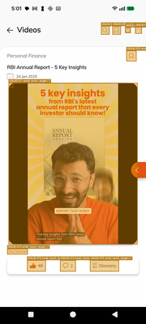 state_2026-03-11_170112_annotated.png | .InternalGoogleAppActivityEntrypoint | 6 | 20 | 0 | 23.1% | FAIL
13 | Screen-13 (iLearn App) | 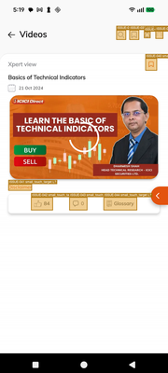 state_2026-03-11_171941_annotated.png | .InternalGoogleAppActivityEntrypoint | 5 | 19 | 0 | 20.8% | FAIL
14 | Screen-14 (iLearn App) | 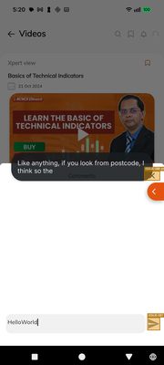 state_2026-03-11_172038_annotated.png | .InternalGoogleAppActivityEntrypoint | 2 | 4 | 0 | 33.3% | FAIL
15 | Screen-15 (iLearn App) | 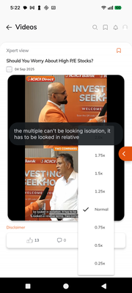 state_2026-03-11_172238_annotated.png | .InternalGoogleAppActivityEntrypoint | 9 | 0 | 0 | 100.0% | PASS
16 | Screen-16 (iLearn App) | 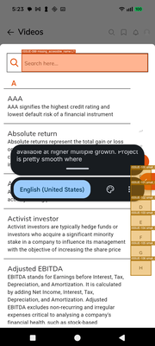 state_2026-03-11_172302_annotated.png | .InternalGoogleAppActivityEntrypoint | 42 | 29 | 0 | 59.2% | FAIL
17 | Screen-17 (iLearn App) | 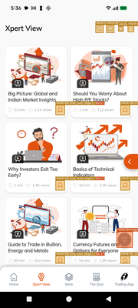 state_2026-03-11_173613_annotated.png | .InternalGoogleAppActivityEntrypoint | 218 | 497 | 0 | 30.5% | FAIL
18 | Screen-18 (YouTube) | 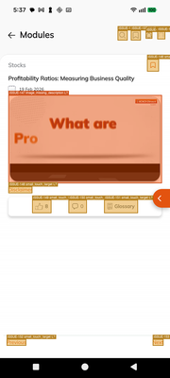 state_2026-03-11_173740_annotated.png | .InternalGoogleAppActivityEntrypoint | 33 | 108 | 0 | 23.4% | FAIL
19 | Screen-19 (YouTube Video Player) | 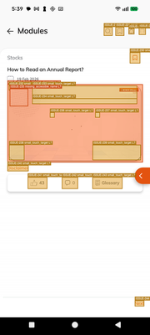 state_2026-03-11_173914_annotated.png | .InternalGoogleAppActivityEntrypoint | 14 | 29 | 0 | 32.6% | FAIL
20 | Screen-20 (YouTube Video Player) | 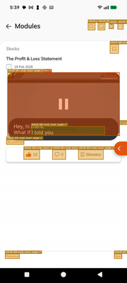 state_2026-03-11_174000_annotated.png | .InternalGoogleAppActivityEntrypoint | 10 | 34 | 0 | 22.7% | FAIL
21 | Screen-21 (iLearn App) | 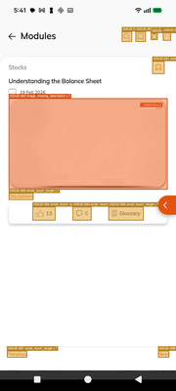 state_2026-03-11_174148_annotated.png | .InternalGoogleAppActivityEntrypoint | 14 | 44 | 0 | 24.1% | FAIL
22 | Screen-22 (YouTube Video Player) | 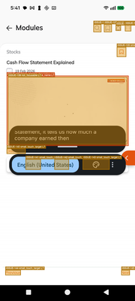 state_2026-03-11_174200_annotated.png | .InternalGoogleAppActivityEntrypoint | 72 | 255 | 0 | 22.0% | FAIL
23 | Screen-23 (YouTube Video Player) | 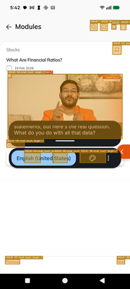 state_2026-03-11_174228_annotated.png | .InternalGoogleAppActivityEntrypoint | 9 | 30 | 0 | 23.1% | FAIL
24 | Screen-24 (YouTube Video Player) | 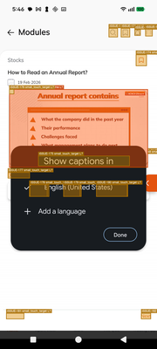 state_2026-03-11_174658_annotated.png | .InternalGoogleAppActivityEntrypoint | 9 | 33 | 0 | 21.4% | FAIL
25 | Screen-25 (YouTube Video Player) | 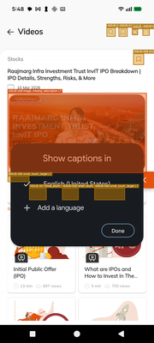 state_2026-03-11_174820_annotated.png | .InternalGoogleAppActivityEntrypoint | 18 | 40 | 0 | 31.0% | FAIL
26 | Screen-26 (YouTube Video Player) | 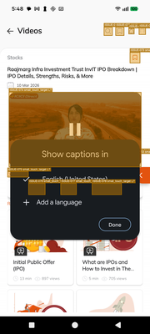 state_2026-03-11_174823_annotated.png | .InternalGoogleAppActivityEntrypoint | 21 | 44 | 0 | 32.3% | FAIL
27 | Screen-27 (iLearn App) | 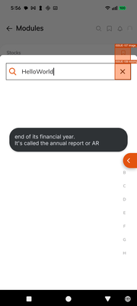 state_2026-03-11_175634_annotated.png | .InternalGoogleAppActivityEntrypoint | 2 | 2 | 0 | 50.0% | FAIL
28 | Screen-28 (iLearn App) | 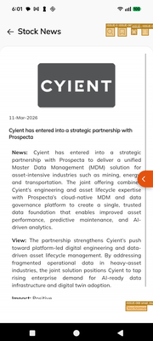 state_2026-03-11_180157_annotated.png | .InternalGoogleAppActivityEntrypoint | 3 | 25 | 0 | 10.7% | FAIL
29 | Screen-29 (YouTube Video Player) | 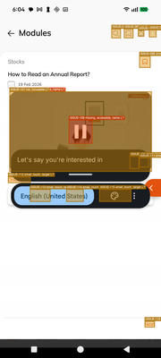 state_2026-03-11_180424_annotated.png | .InternalGoogleAppActivityEntrypoint | 17 | 62 | 0 | 21.5% | FAIL
30 | Screen-30 (YouTube Video Player) | 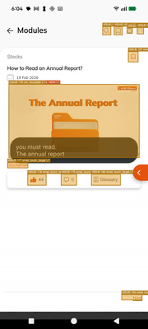 state_2026-03-11_180453_annotated.png | .InternalGoogleAppActivityEntrypoint | 8 | 29 | 0 | 21.6% | FAIL
31 | Screen-31 (YouTube Video Player) | 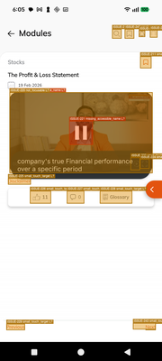 state_2026-03-11_180547_annotated.png | .InternalGoogleAppActivityEntrypoint | 10 | 34 | 0 | 22.7% | FAIL
32 | Screen-32 (iLearn App) | 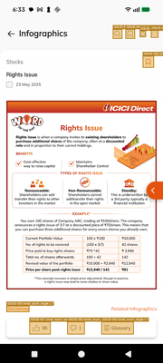 state_2026-03-11_183322_annotated.png | .InternalGoogleAppActivityEntrypoint | 39 | 263 | 0 | 12.9% | FAIL
33 | Screen-33 (YouTube Video Player) | 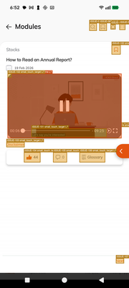 state_2026-03-11_185235_annotated.png | .InternalGoogleAppActivityEntrypoint | 9 | 33 | 0 | 21.4% | FAIL
34 | Screen-34 (YouTube Video Player) | 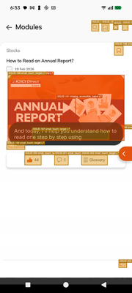 state_2026-03-11_185311_annotated.png | .InternalGoogleAppActivityEntrypoint | 9 | 33 | 0 | 21.4% | FAIL
35 | Screen-35 (YouTube Video Player) | 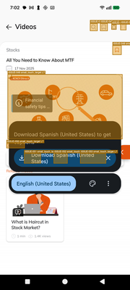 state_2026-03-11_190207_annotated.png | .InternalGoogleAppActivityEntrypoint | 8 | 20 | 0 | 28.6% | FAIL
36 | Screen-36 (YouTube Video Player) | 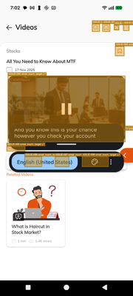 state_2026-03-11_190216_annotated.png | .InternalGoogleAppActivityEntrypoint | 9 | 24 | 0 | 27.3% | FAIL
37 | Screen-37 (YouTube Video Player) | 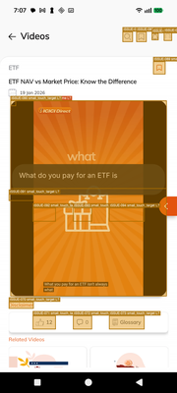 state_2026-03-11_190711_annotated.png | .InternalGoogleAppActivityEntrypoint | 9 | 28 | 0 | 24.3% | FAIL
38 | Screen-38 (YouTube Video Player) | 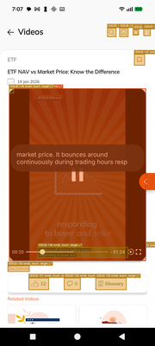 state_2026-03-11_190727_annotated.png | .InternalGoogleAppActivityEntrypoint | 21 | 61 | 0 | 25.6% | FAIL
39 | Screen-39 (YouTube Video Player) | 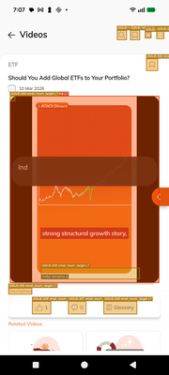 state_2026-03-11_190750_annotated.png | .InternalGoogleAppActivityEntrypoint | 9 | 28 | 0 | 24.3% | FAIL
40 | Screen-40 (YouTube Video Player) | 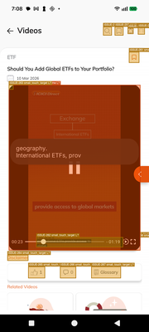 state_2026-03-11_190812_annotated.png | .InternalGoogleAppActivityEntrypoint | 10 | 32 | 0 | 23.8% | FAIL
41 | Screen-41 (iLearn App) | 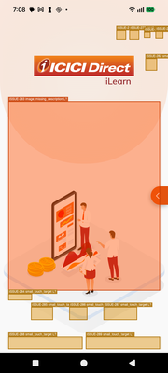 state_2026-03-11_190833_annotated.png | .InternalGoogleAppActivityEntrypoint | 7 | 22 | 0 | 24.1% | FAIL
42 | Screen-42 (iLearn App) | 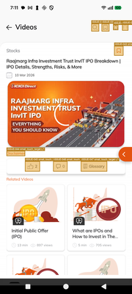 state_2026-03-11_191110_annotated.png | .InternalGoogleAppActivityEntrypoint | 9 | 19 | 0 | 32.1% | FAIL
43 | Screen-43 (YouTube Video Player) | 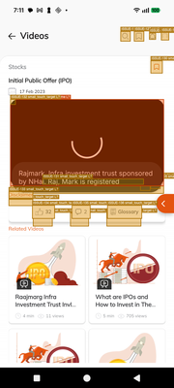 state_2026-03-11_191145_annotated.png | .InternalGoogleAppActivityEntrypoint | 12 | 33 | 0 | 26.7% | FAIL
44 | Screen-44 (YouTube Video Player) | 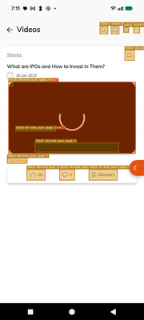 state_2026-03-11_191155_annotated.png | .InternalGoogleAppActivityEntrypoint | 10 | 27 | 0 | 27.0% | FAIL
45 | Screen-45 (YouTube Video Player) | 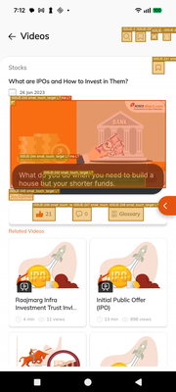 state_2026-03-11_191214_annotated.png | .InternalGoogleAppActivityEntrypoint | 12 | 29 | 0 | 29.3% | FAIL
46 | Screen-46 (YouTube Video Player) | 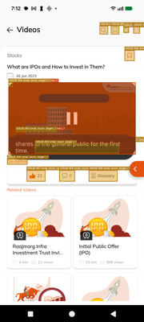 state_2026-03-11_191240_annotated.png | .InternalGoogleAppActivityEntrypoint | 13 | 33 | 0 | 28.3% | FAIL
47 | Screen-47 (YouTube Video Player) |  state_2026-03-11_191315_annotated.png | .InternalGoogleAppActivityEntrypoint | 12 | 29 | 0 | 29.3% | FAIL

